BalanceSheet
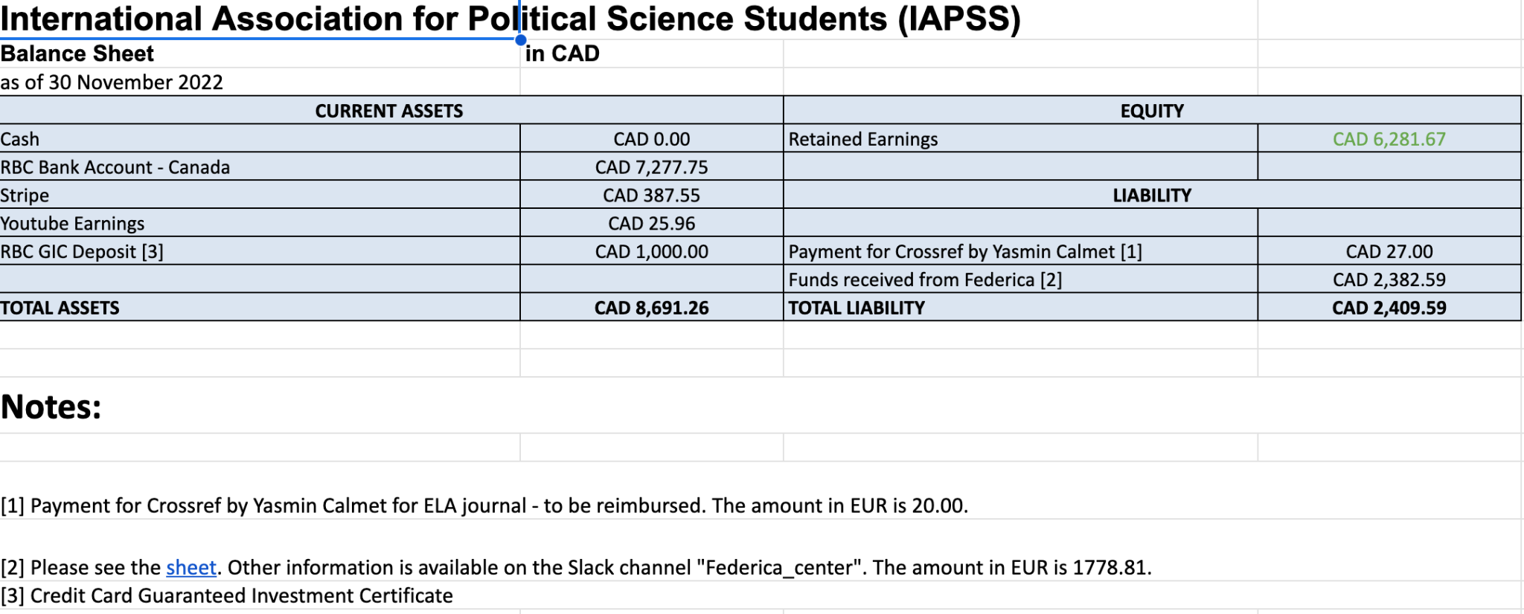
International Association for Political Science Students (IAPSS)
Balance Sheet | in CAD
as of 1 May 2023
CURRENT ASSETS |  | EQUITY
Cash | CAD 0.00 | Retained Earnings | CAD 17,082.11
RBC Bank Account - Canada | CAD 13,664.63
Stripe | CAD 4,797.11 | LIABILITY
Youtube Earnings | CAD 25.96
RBC GIC Deposit [3] | CAD 1,004.00 | Payment for Crossref by Yasmin Calmet [1] | CAD 27.00
 |  | Funds received from Federica [2] | CAD 2,382.59
TOTAL ASSETS | CAD 19,491.70 | TOTAL LIABILITY | CAD 2,409.59

Notes:

[1] Payment for Crossref by Yasmin Calmet for ELA journal - to be reimbursed. The amount in EUR is 20.00.
[2] Please see the sheet. Other information is available on the Slack channel "Federica_center". The amount in EUR is 1778.81.
[3] Credit Card Guaranteed Investment Certificate
 |  | Exchange rate used | xe.com

Last updated | 2023-05-19 | 1 | 1.46
Updated by | Crystal Staebell - Treasurer | EUR | CAD

Previous update

Recent bank transactions
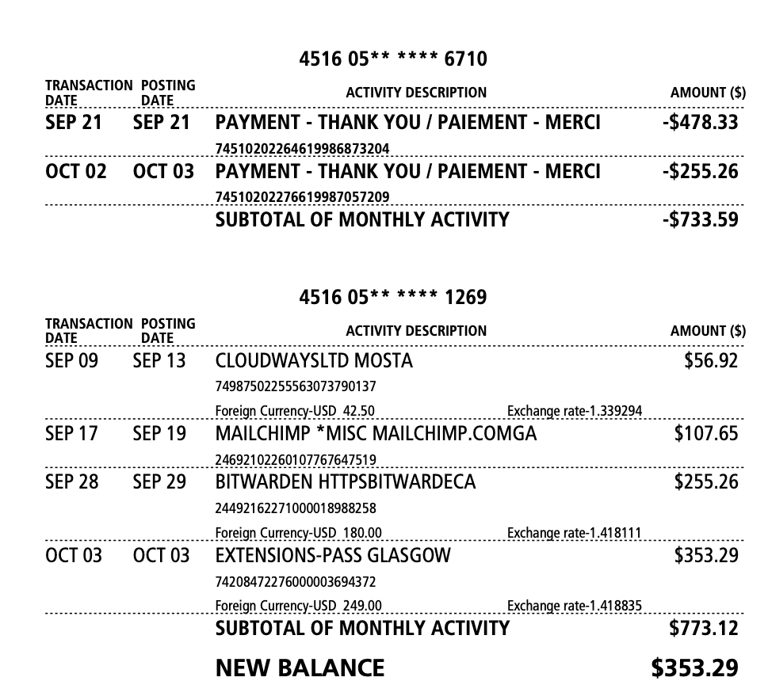
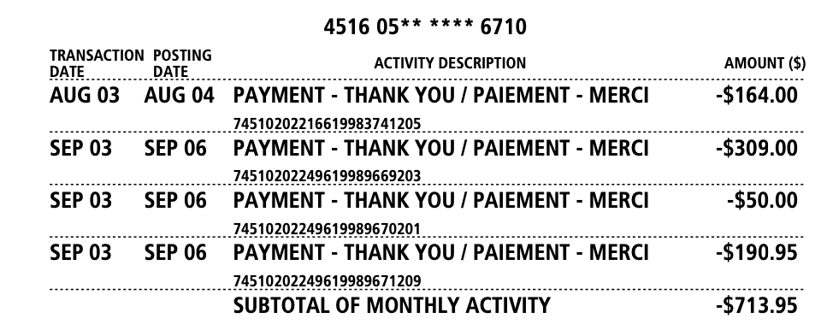
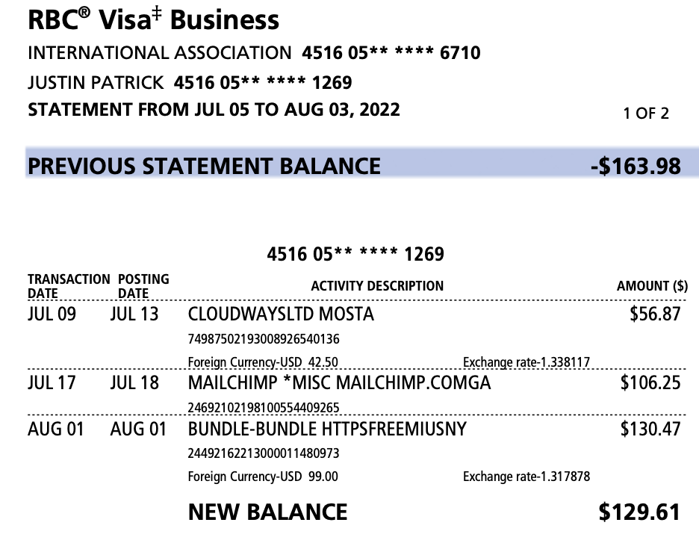
Royal Bank of Canada

